Sheet1
Sewanta Hammocks

SKU | ASIN | Item Name | Image | Case Pack | Cases/ Pallet | Units/Pallet | UPC | Link | # Units

SW-1234/ch | B0B786QVML | Camping Hammock - (Medium, Black & Grey) | 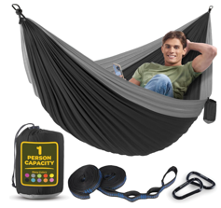 | 18 | 30 | 540 | 810082731125 | amazon $18.99 4.6 ratings; 2,535 reviews | 3,000
SW-1235/ch | B0B785WHZP | Camping Hammock - (Medium, Navy & Light Blue) | 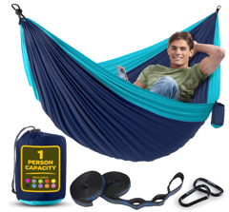 | 18 | 30 | 540 | 810082731118 | amazon $14.99 4.6 ratings; 2,535 reviews | 35,000
SW-1237/ch | B0B787Q8XS | Camping Hammock (Medium, Light Grey & Blue) | 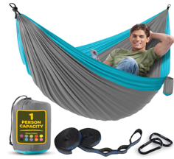 | 18 | 30 | 540 | 810082731132 | amazon $18.99 4.6 ratings; 2,535 reviews | 1,500
SW-1236/ch | B0B788865G | Camping Hammock - (Medium, Red & Dark Grey) | 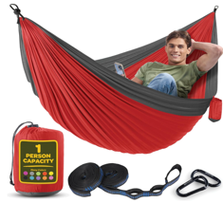 | 18 | 30 | 540 | 810082731156 | amazon $18.99 4.6 ratings; 2,535 reviews | 1,000
SW-1248/ch | B0CD87KXCP | Camping Hammock (Medium, Forest Green/Lima Green) | 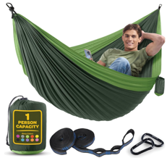 | 18 | 30 | 540 | 810082732337 | amazon $18.99 4.6 ratings; 2,535 reviews | 1,000
SW-1249/ch | B0CD85DQ5B | Camping Hammock (Medium, Orange & Grey) | 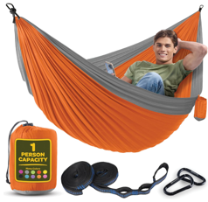 | 18 | 30 | 540 | 810082732344 | amazon $18.99 4.6 ratings; 2,535 reviews | 1,000
SW-1250/ch | B0CD88ZLVV | Camping Hammock (Medium) - Khaki & Army Green | 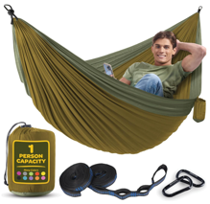 | 18 | 30 | 540 | 810082732351 | amazon $18.99 4.6 ratings; 2,535 reviews | 1,000
SW-1251/ch | B0CD89C1SV | Camping Hammock (Medium) - Yellow and Blue | 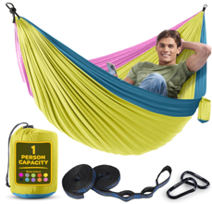 | 18 | 30 | 540 | 810082732368 | amazon $18.99 4.6 ratings; 2,535 reviews | 1,000
SW-1252/ch | B0CD85ZLKD | Camping Hammock (Medium) - Fuchsia & Sky Blue | 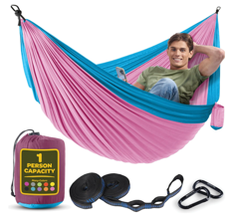 | 18 | 30 | 540 | 810082732375 | amazon $16.99 now $11.91 4.6 ratings; 2,535 reviews | 1,000
SW-1253/ch | B0CD8855H7 | Camping Hammock (Medium) - Dark Blue & Forrest Green | 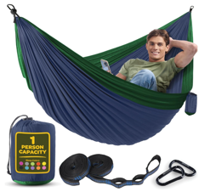 | 18 | 30 | 540 | 810082732382 | amazon $16.21 4.6 ratings; 2,535 reviews | 1,000
SW-1254/ch | B0CD895KNB | Camping Hammock (Medium) - Dark Gray & Dusty Pink | 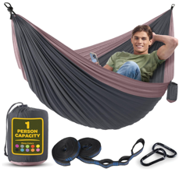 | 18 | 30 | 540 | 810082732399 | amazon $19.93 now $18.03 4.6 ratings; 2,535 reviews | 1,000
SW-1255/ch | B0CD87TNGK | Camping Hammock (Medium) - Khaki & Green | 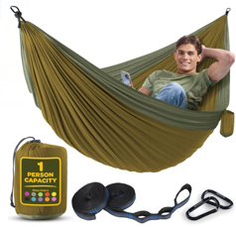 | 18 | 30 | 540 | 810082732405 | amazon $18.99 4.6 ratings; 2,535 reviews | 1,000
SW-1256/ch | B0CD8891BC | Camping Hammock (Medium) - Green & Red | 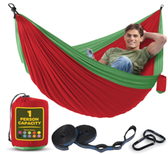 | 18 | 30 | 540 | 810082732412 | amazon $9.99 4.6 ratings; 2,535 reviews | 1,000
SW-1257/ch | B0CD88THCB | Camping Hammock (Medium) - American Flag | 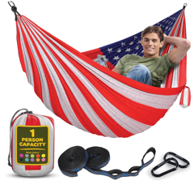 | 18 | 30 | 540 | 810082732429 | amazon $21.76 4.6 ratings; 2,535 reviews | 1,000
SW-1238/ch | B0B7898JDK | Camping Hammock (Large, Black & Grey) | 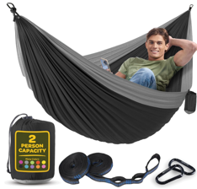 | 16 | 30 | 480 | 810082731194 | amazon $22.99 4.6 ratings; 2,535 reviews | 4,000
SW-1239/ch | B0B786L3JG | Camping Hammock (Large, Navy & Light Blue) |  | 16 | 30 | 480 | 810082731200 | amazon $22.99 4.6 ratings; 2,535 reviews | 7,000
SW-1243/ch | B0B788MN8Z | Camping Hammock (Large, Forest Green/Lime Green) | 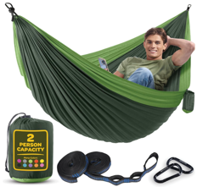 | 16 | 30 | 480 | 810082731149 | amazon $22.99 4.6 ratings; 2,535 reviews | 4,000
SW-1240/ch | B0B786N6L2 | Camping Hammock (Large, Light Grey & Blue) | 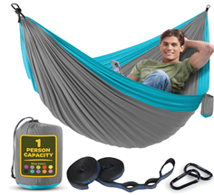 | 16 | 30 | 480 | 810082731187 | amazon $22.99 4.6 ratings; 2,535 reviews | 1,000
SW-1242/ch | B0B7886DZT | Camping Hammock (Large, Red & Dark Grey) | 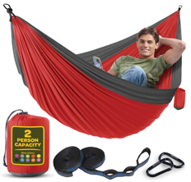 | 16 | 30 | 480 | 810082731163 | amazon $22.99 4.6 ratings; 2,535 reviews | 1,000
SW-1244/ch | B0B785Z1RZ | Camping Hammock (Large, Orange & Grey) | 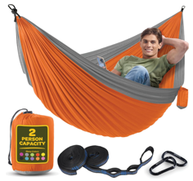 | 16 | 30 | 480 | 810082731170 | amazon $22.99 4.6 ratings; 2,535 reviews | 1,000
SW-1245/ch | B0BRJSTQHX | Camping Hammock (Large) - Khaki & Army Green | 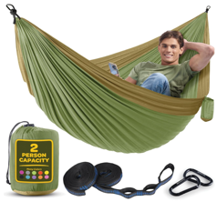 | 16 | 30 | 480 | 810082732078 | amazon $22.99 4.6 ratings; 2,535 reviews | 1,000
SW-1246/ch | B0BRJWPL7W | Camping Hammock (Large) - Yellow and Blue | 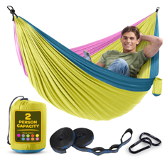 | 16 | 30 | 480 | 810082732085 | amazon $19.99 4.6 ratings; 2,535 reviews | 1,000
SW-1247/ch | B0BRJVR8Y5 | Camping Hammock (Large) - Fuchsia & Sky Blue | 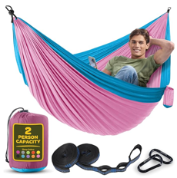 | 16 | 30 | 480 | 810082732092 | amazon $22.99 4.6 ratings; 2,535 reviews | 1,000
SW-1258/ch | B0CFXDS8B2 | Camping Hammock (Large) - Dark Blue & Forrest Green | 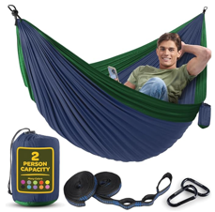 | 16 | 30 | 480 | 810082732436 | amazon $22.99 4.6 ratings; 2,535 reviews | 1,000
SW-1259/ch | B0CD87SCHJ | Camping Hammock (Large) - Dark Gray & Dusty Pink | 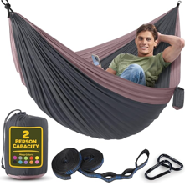 | 16 | 30 | 480 | 810082732443 | amazon $22.99 4.6 ratings; 2,535 reviews | 1,000
SW-1260/ch | B0CD8989X7 | Camping Hammock (Large) - Khaki & Green | 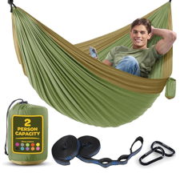 | 16 | 30 | 480 | 810082732450 | amazon $22.99 4.6 ratings; 2,535 reviews | 1,000
SW-1261/ch | B0CD89CH93 | Camping Hammock (Large) - Green and Red | 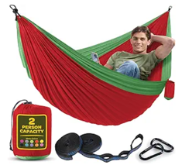 | 16 | 30 | 480 | 810082732467 | amazon $13.99 now $12.99 4.6 ratings; 2,535 reviews | 1,000
 |  |  |  |  |  |  |  |  | 75,500

